TestSummary
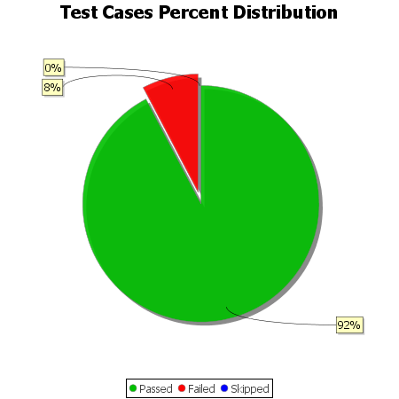
Total Test Cases | 26
Test Cases Passed | 24
Test Cases Failed | 2
Test Cases Skipped | 0

